General Information
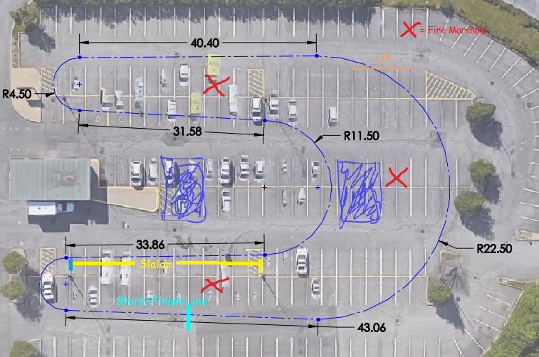
CFRXXXXX - TESTING CHECKLIST
 | Expected | Actual | Map Of Location
Date |  |  |  |  | Testing Approved By
Start Time
End Time |  |  |  |  | EIR | Signature:
Location
Weather Conditions |  |  |  |  |  | Name: | Dominic Ng/Michael Rembacz
Temperature [•C] |  |  |  |  | Debreif Scheduled | Date:

Role | Name |  |  |  | Team Captain | Signature:
Faculty Advisor/Staff | Michael Rembacz
Test Lead |  |  |  |  |  | Name: | Ricky Lopez
Event Logger | Various
Safety Officer
Engineering Lead |  |  |  |  | Safety Officer | Signature:
Data Logger | Motec M150
Drivers |  |  |  |  |  | Name: | 0

What we need to check each time before car runs. Each PCx will require separate sheet to define what is required for each PC Must be performed and passed every testing session | PRE-RUN CHECKS | Name | Description |  |  | CHECKED | APPROVED
 | PC00 | Technical Inspection | Must pass a technical inspection conducted by Faculty
 | PC03 | Fastener Checklist | Complete PC03, signature required by personnel checking
 | PC04 | Suspension Setup | Fill PC04 according to obtained/required values; complete after any significant vehicle changes
 | PC06 | Driver Safety Checklist | Check safety gear according to PC06 and Tech Inspection requirements
 | PC08 | Personnel + Egress | Everyone attending testing session written in PC08, perform egress (min helmet + wrist restraints required), note results on PC08
 | PC02 | Safety Brief | Safety brief signaling explained and understood, tasks assigned according to PC02
 | PC05 | Pre-Run Checklist | Basic mechanical checks verified according to PC05
 | PC07 | Shakedown Procedure | Follow PC07 for initial vehicle break in
 |  | Fire Control | Ensure equipment and personnel are in place
 |  | Insurance & waivers | Ensure that documents are present and valid
 |  | GoPros | Ensure GoPros are tested and in place
 |  | Danger Zone | Mark off danger zone to ensure pedestrians do not enter if necessary

 | Once all Pre-ops are completed, car can be started and move onto dynamic

Dynamic checks that must be passed to start testing. Must be performed and passed every testing session | DYNAMIC CHECKS | Name | Description | Expected Result | Result: |  | APPROVED
 | D01 | Preliminary Brake Test | Slow Speed (Push test) - Ensure Functionality of Braking System | Car comes to a complete stop under its braking power
 | D02 | Preliminary Steering Test | Slow Speed (Push test) - Ensure Functionality of Steering System | No component failures
 | D03 | Brake Test under power | Perform competition style brake test | All four wheels lock up simultaneously
 | D04
 | Event logging every 5-10 mins.

What do you want to do each time you go testing - each Obj. will have seperate sheet defining what to do. | OBJECTIVES | Name | Description | Details | Result:
 | O1 | Brake Test | Low speed driving (<15km/h) - Apply brakes and ensure that all wheels lock up, and that brakes do not leak | Keep car in 2nd gear to keep acceleration low
 | O2 | Steering test | Low speed driving (<15km/h) - Steer the car back and forth and ensure there are no steering binds or failures | Keep car in 2nd gear to keep acceleration low
 | O3 | Drivetrain test | Low speed driving (<15km/h) - Drive the car and ensure that the vehicle can move under its own power | Keep car in 2nd gear to keep acceleration low
 | O4
 | O5

 | For any tests requiring data should have a testing procedure ready and referened in objectives

 | DATA & ANALYSIS
 | GoPro logs | Film everything start to finish including safety brief, and track setup | Upload to FSAE server and send link to EIR
 | Recorded data and analysis (Motec, observations, distances, times, etc.) | After or during testing, data is transfered to team / person to analyze | Who sent it, what date and sent to who?
 | Testing Log | Live testing log kept via WhatsApp | Sent to EIR for debrief

PC09 - Track Layout
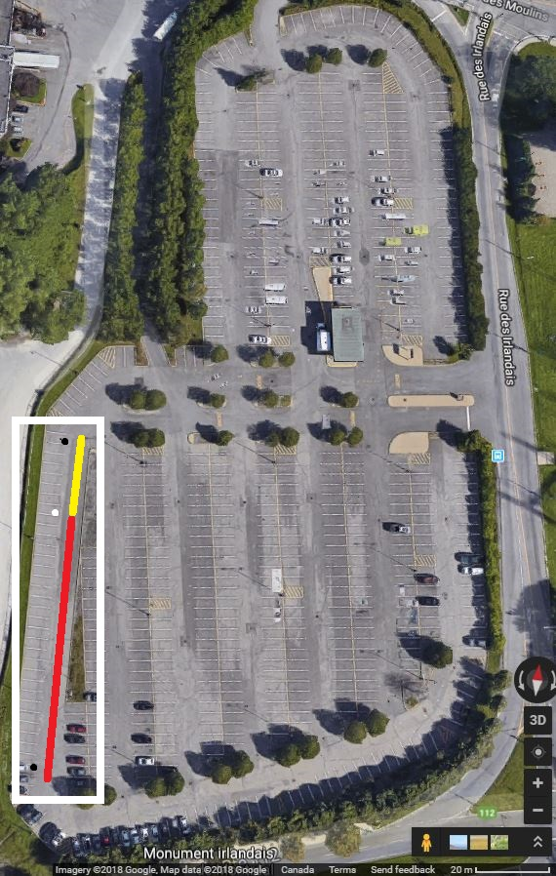
 | Brake Test (Zone Boxed)
 | Fire station (circle)
 | Stopping Point (circle)
 | Driving Zone (line)
 | Stopping zone/runaway (line)

General Track Requirements:
- Approximate driving line
- Runaway considerations (straight line minimum - 10 m, otherwise - 2 m)
- Fire Stations
- Overall test area definition

 | Track Setup Checks:
 | - Runaway considerations
 | - Fire Stations
 | - Overall test area definition
 | - Cones for drive line and test area

PC10 - Track Layout Change
Track Layout Change

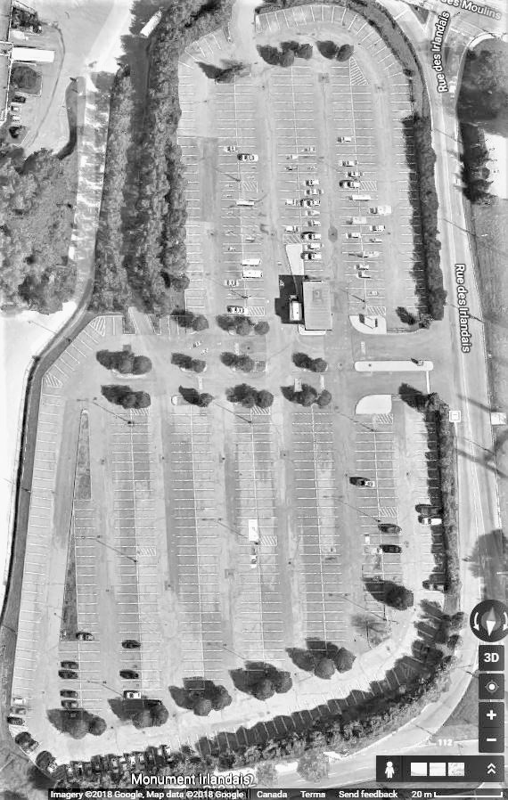
Procedure: |  |  | New Track Map
- Establish need
- Stop running if currently running
- Modify track
- Complete below
- Initial confirmation of change

Test:
Layout Change Reason:

 | Start of test session | During test session
Layout change time:

Checks:
Cones
Stations
Runaway areas

 | Signature of test lead
Confirmation of change

